Logical Data Model
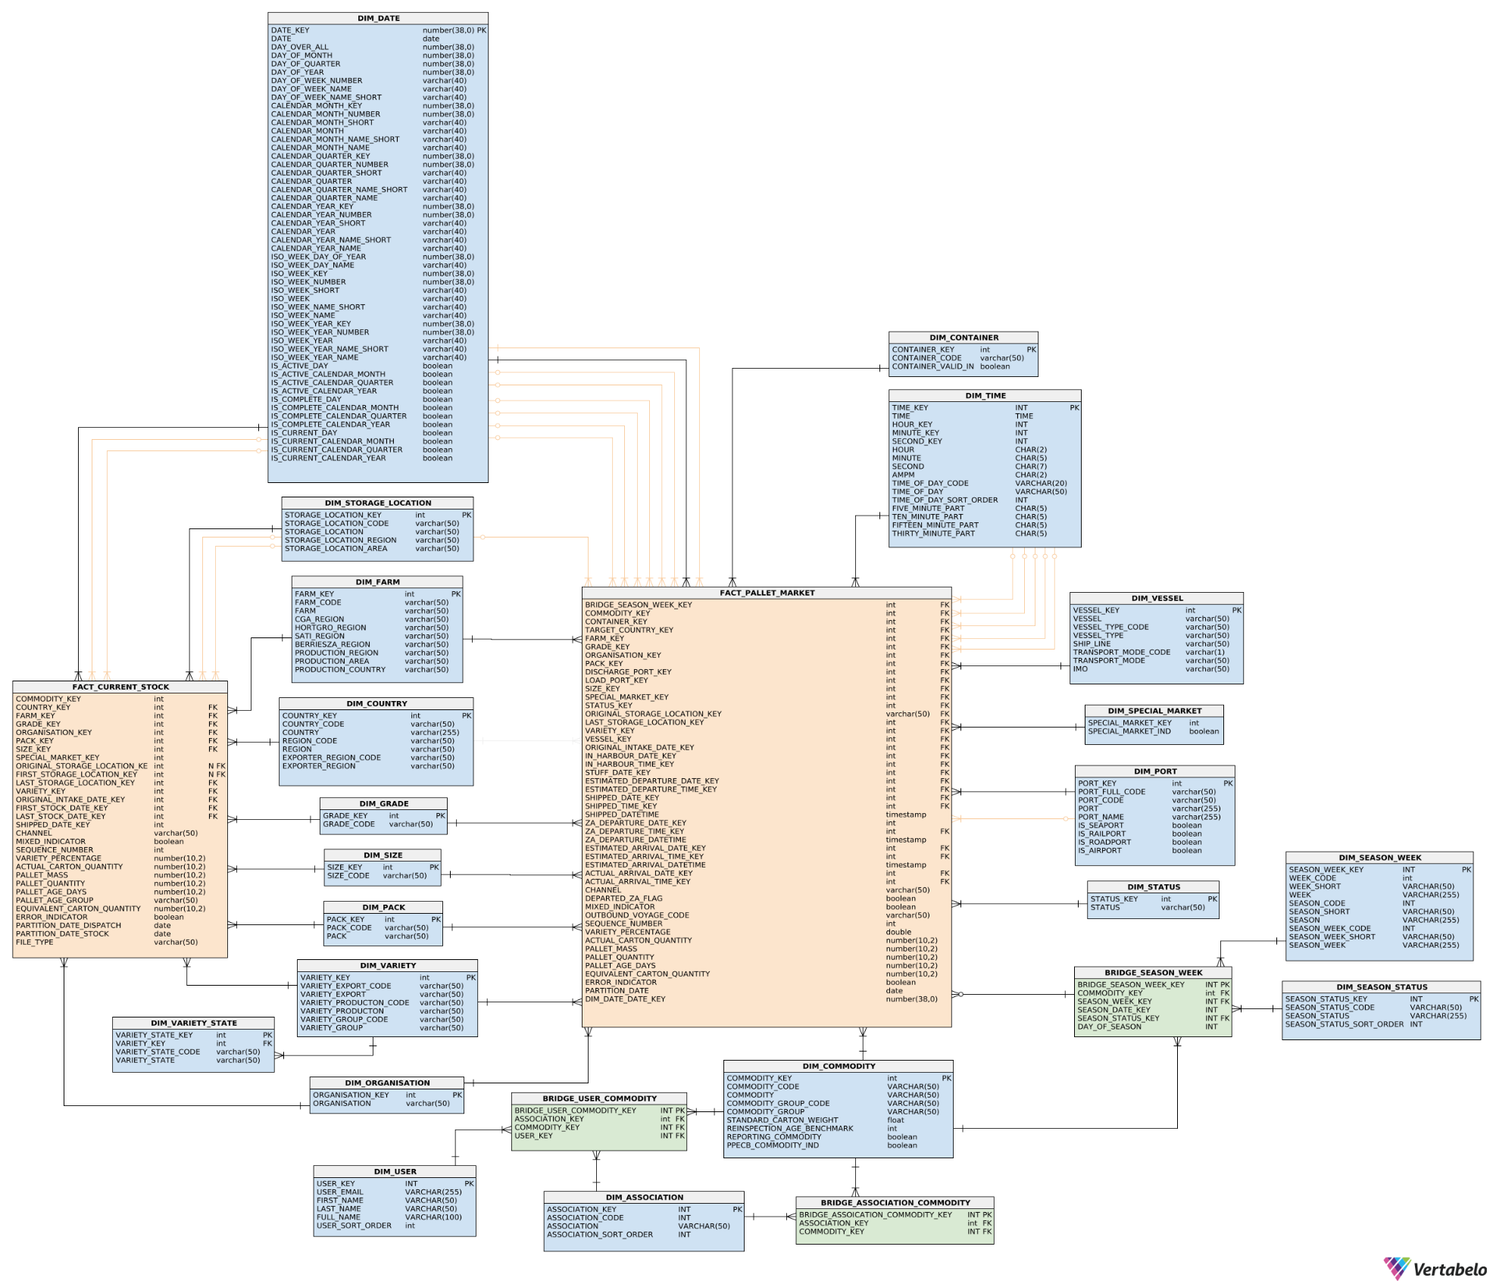
https://my.vertabelo.com/model/b8H6s7hXzyOErVT64d6uzw0Y8ndNHil9

Architecture
